Insight1
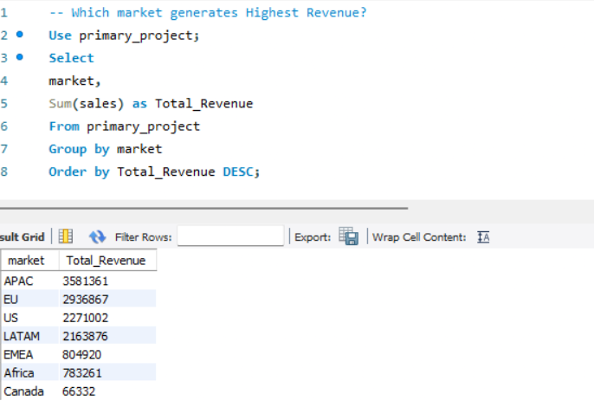
INSIGHT1: Which market generates highest Revenue?

APAC is the Highest revenue generating market,indicating strong sales
performance in this region,while canada has the lowest revenue market.

Insight 2
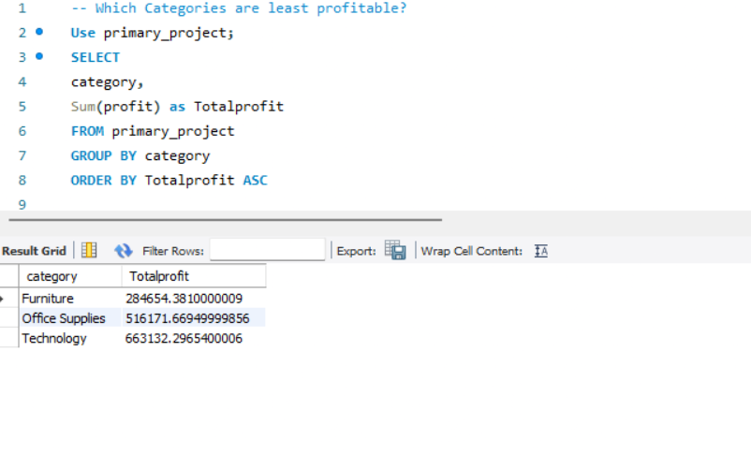
INSIGHT 2: Which categories are least profitable?

According to this insight Furniture is the least
profitable category based on the profit, indicating
that it is lower compared with office supplies and technology.

Insight 3
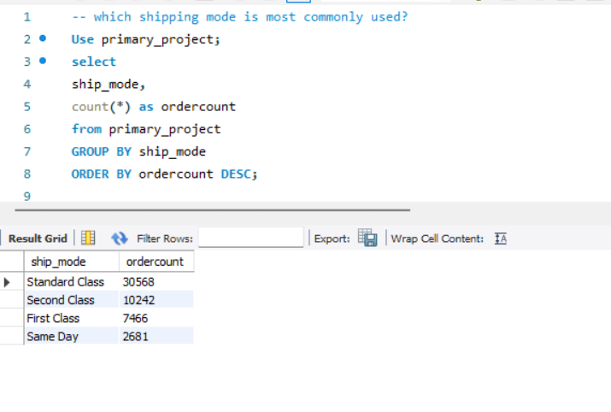
INSIGHT 3 : Which shipping mode is most commonly used?

Standard class is most commonly used shipping mode,
with significantly more orders than the other shipping modes.

